1. Title Page
[Project Name]

Project Name: Instacart Grocery Basket Analysis
Date: 15/02/2024
Analyst Name: GFraham Field

Contents:
Population Flow
Consistency checks
Wrangling steps
Column derivations
Visualizations
Recommendations

2. Population Flow
Title page

Population flow

Exclusion flag
Condition: max_order <
Obervations to be removed:
Final total count of order_products_all:

Orders_products_combined
Orders_products_merged
Orders_products_all

Total:32404859
Total: 32434489
Total:32404859

1.) The grey boxes in the first row of the population flow represent the original data sets as they were when you downloaded them. In the Total fields you need to add the count of the rows when you imported the data set into Jupyter.
2.) The second row of boxes (coloured) represents the data sets after you manipulated them, e.g., removed missing values and duplicates. In the Total fields you need to add the count of the rows after conducting these operations. This offers a visual oveview of how the data flows throughout the data consistency checks.
3.) The third row, where also the arrows are coloured, represents the merges you performed between the datasets. In the Total fields you need to add the count of the rows in the merged datasets, so that you end up with the final dataset (in the red box). Keep in mind the final dataset should be without exclusions (based on the exclusion flag).

3. Consistency checks
 |  |  |  | Title page
Consistency checks

Dataset | Missing values | Missing values treatment | Duplicates
orders | days_since_prior_order 206209 | I did not remove the row here because this could be due to clients who have only ordered once | N/A
products | product_name 16 | removed the missing products and created a new data frame | there were 5 duplicates which were removed and again a new data frame was vreated
orders_products_prior | N/A | N/A | N/A
customers | first_name 11259 | these entries were not removed as they all had sirnames which, all entries were left inplace | N/A

4. Wrangling steps
 |  |  |  | Title page
Wrangling steps

Columns dropped | Columns renamed | Columns' type changed | Comment/Reason
eval_set |  |  | not necessary
date_joined |  |  | not necessary
 | order_dow |  | made shorter- easier to type and understand
 | surnam |  | mis spelled
 | n_depandants |  | unnecesary n_
 | STATE |  | consistancy
 | fam_status |  | clarity
 |  | order_id | avoid treating as a number
 |  | user_id | avoid treating as a number
 |  | pruduct_name | checked for mixed type data
 |  | first_name | checked for mixed type data

5. Column derivations
 |  |  |  | Title page

Column derivations and aggregations

In this tab you should add tables below that the frequences of flags/label variables that you produced after deriving them. NB: don't do this for continuous variables, only for flags.
Dataset | New column | Column/s it was derived from | Conditions
df_ords_prods_merge | price_range_loc | price | prices <= 5: 'Low range product' price > 5 and <= 15: 'Mid range product' price >15: 'High range product'
 | busiest_day | orders_day_of_week | value == 0: 'Busiest day' value == 4: 'Least busy' else: 'Regularly busy'
 | busiest_days | orders_day_of_week | value == 0 or 1: 'Busiest days' value == 4 or 3: 'Slowest days' else: 'Regular days'
 | busiest_period_of_day | order_hour_of_day | value == 10, 11, 14, 15, 13, 12, 16 or 9: 'Most orders' value == 3, 4, 2, 5, 1, 0, 6 or 23: 'Fewest orders' else: 'Average orders'
df_final | loyalty_flag | order | max_order > 40: 'Loyal customer' max_order <= 40 and > 10: 'Regular customer' max_order <= 10: 'New customer'
 | spending_flag | price range | mean_prices >= 10: 'High spender' mean_price <10: 'Low spender'
 | frequency_flag | intervals | median_orders_interval > 20: 'Non-frequent customer' median_orders_interval <= 20 and >10: 'Regular customer' median_orders_interval <= 10: 'Frequent customer'
df_ex | region | state | conditions see links: https://simple.wikipedia.org/wiki/List_of_regions_of_the_United_States
marketing | age_flag | age | age < = 24: 'Young Adult' age >24 and <= 44: 'adult' age > 44 and <=60: 'middle aged' age >60:'senior'
 | income_flag | income | income >= 100k: 'High income' income < 100k and >= 50k: 'Middle income' income < 50k: 'Low income'
 | dependant flag | user_id,dependants, | marketing['avg_dependant'] = marketing.groupby(['user_id'])['dependants'].transform('mean')
 |  |  | marketing.loc[marketing['avg_dependant'] > 0, 'depend_flag'] = 'With Dependants'
 |  |  | marketing.loc[marketing['avg_dependant'] <= 0, 'depend_flag'] = 'Without Dependants'
 |  |  | marketing['depend_flag'].value_counts(dropna=False)

6. Visualizations
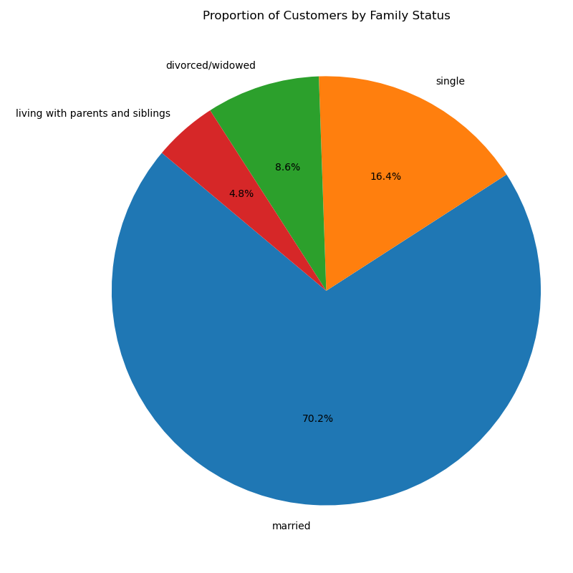
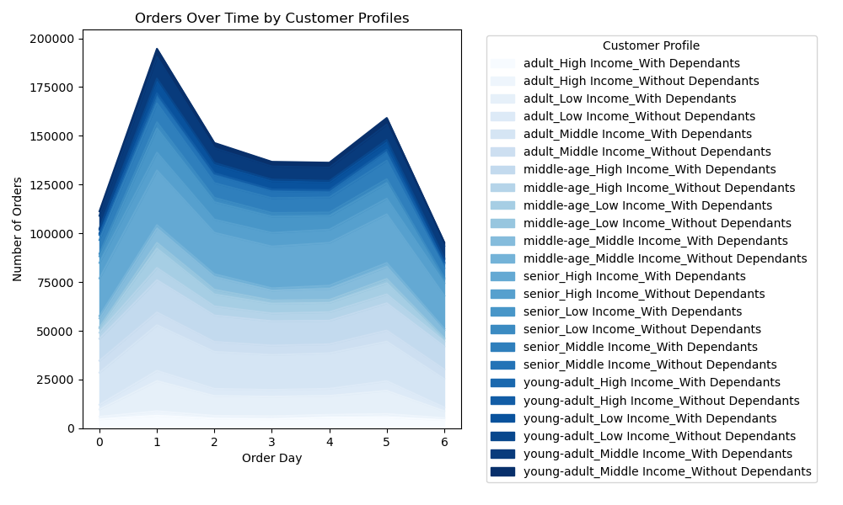
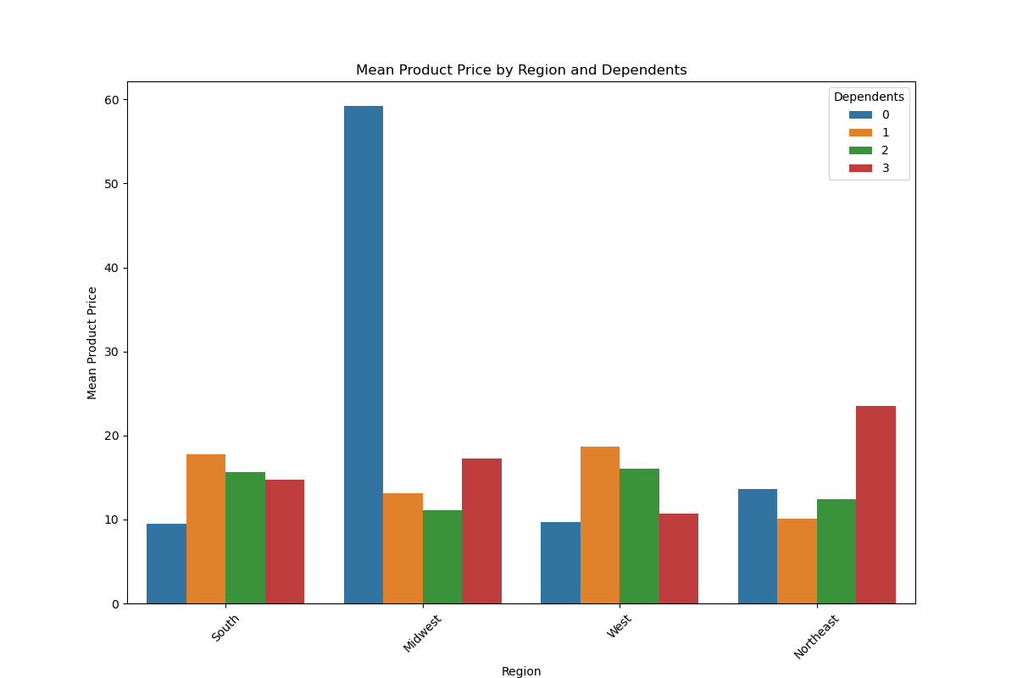
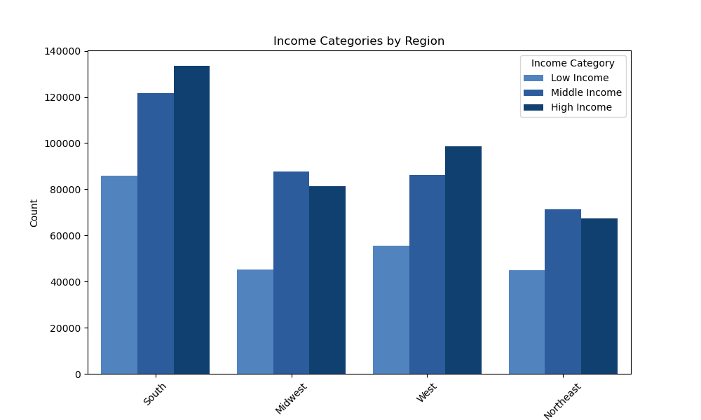
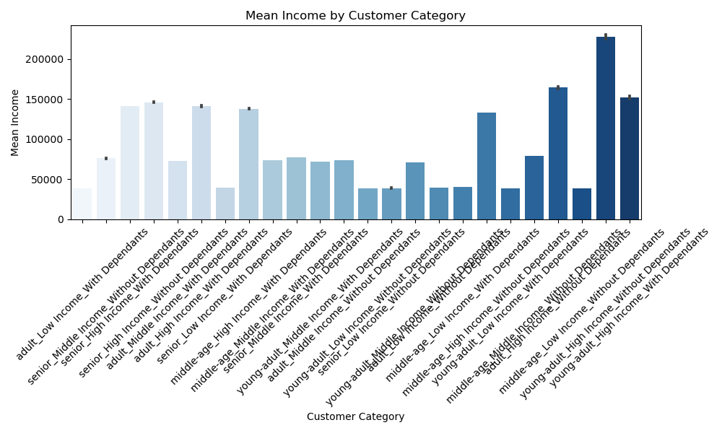
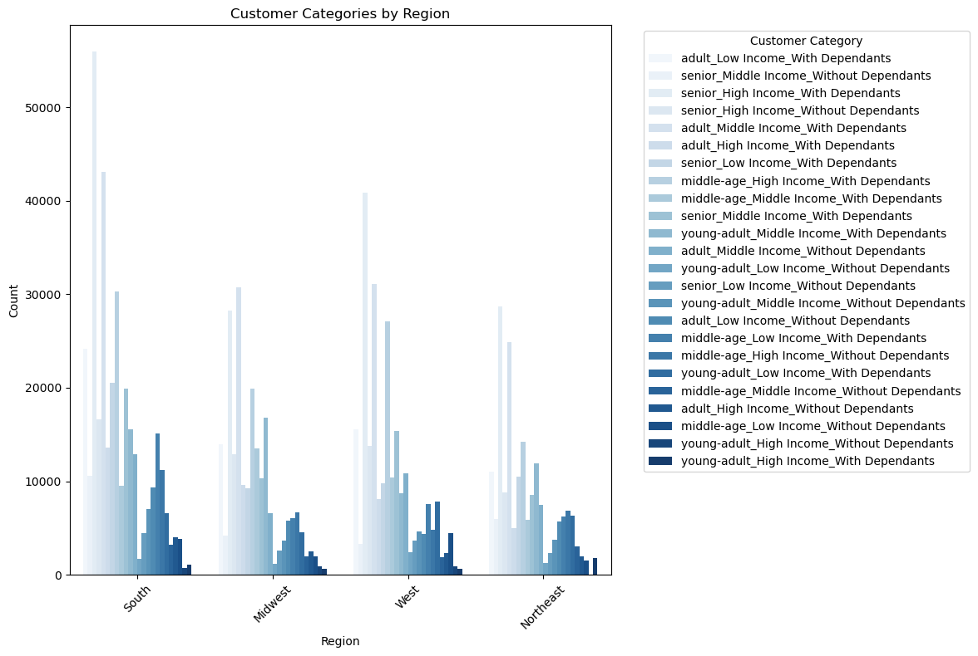
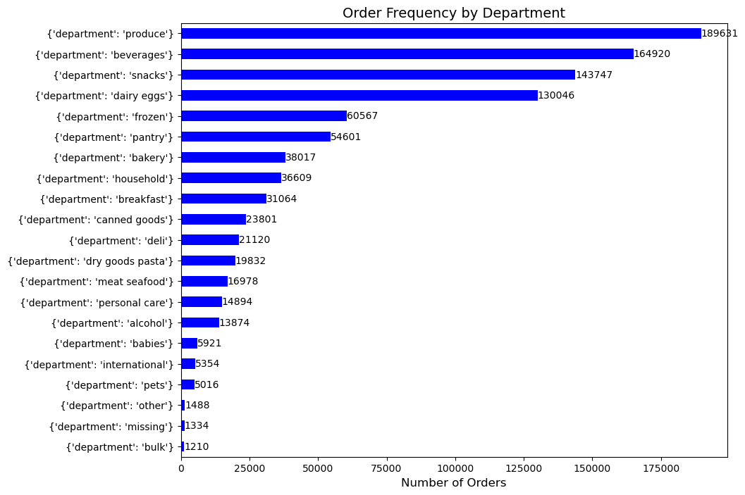
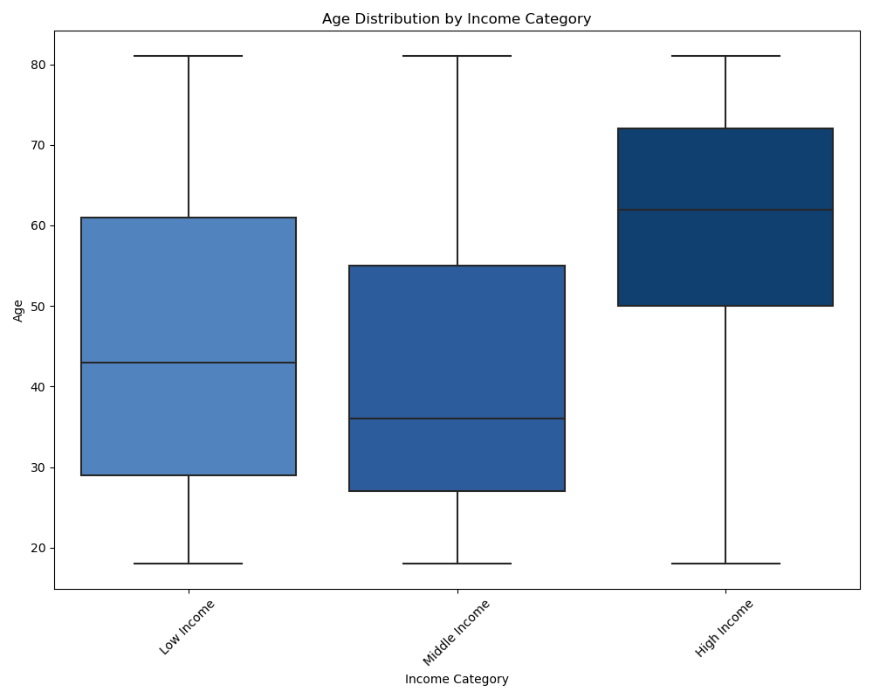
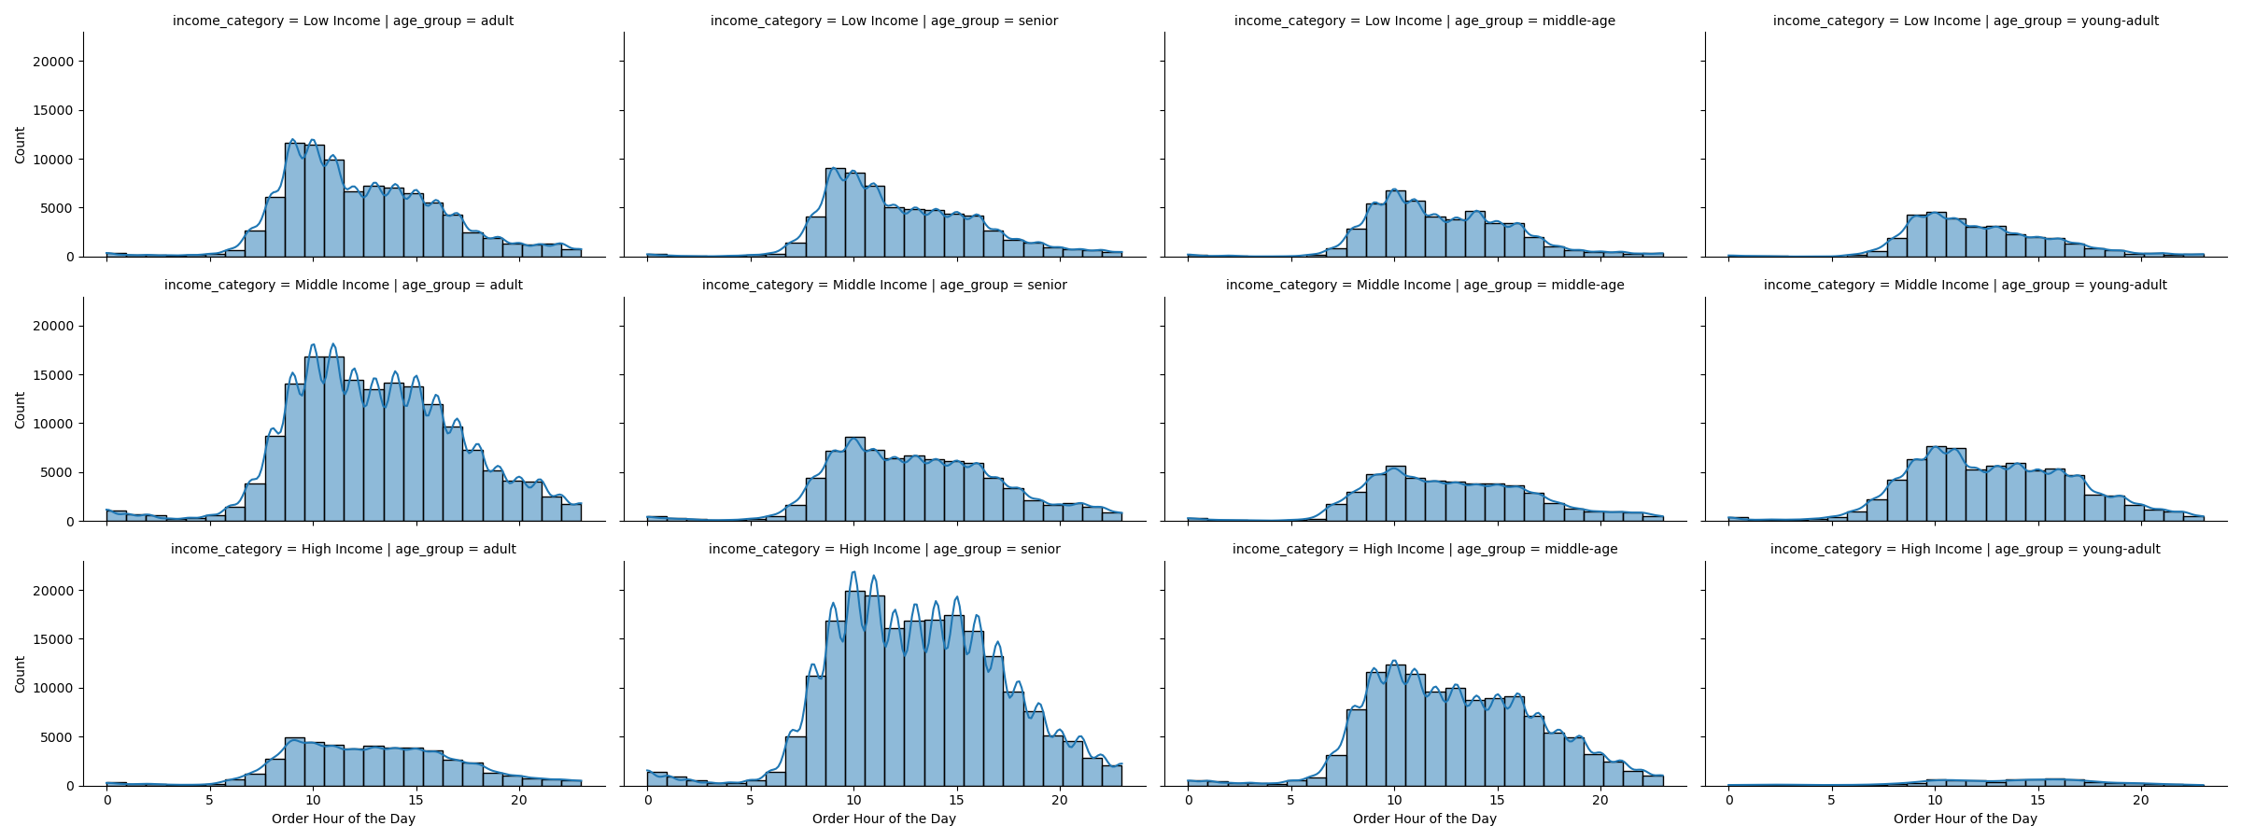
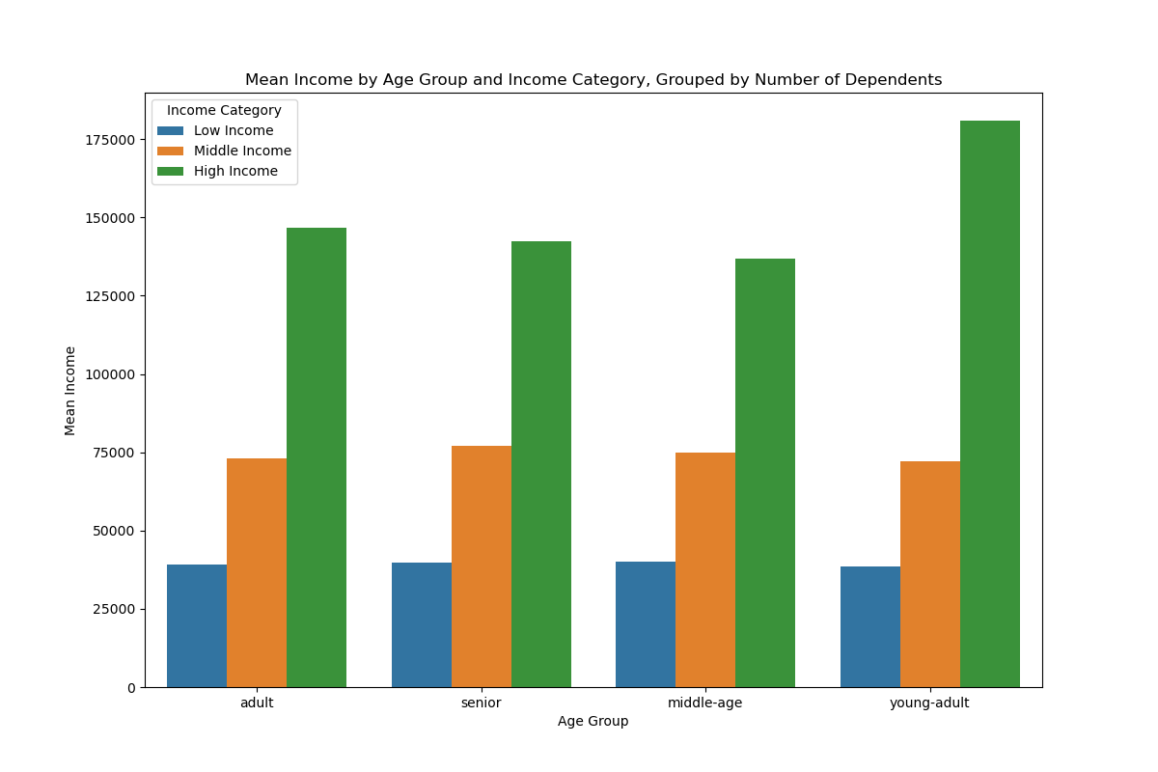
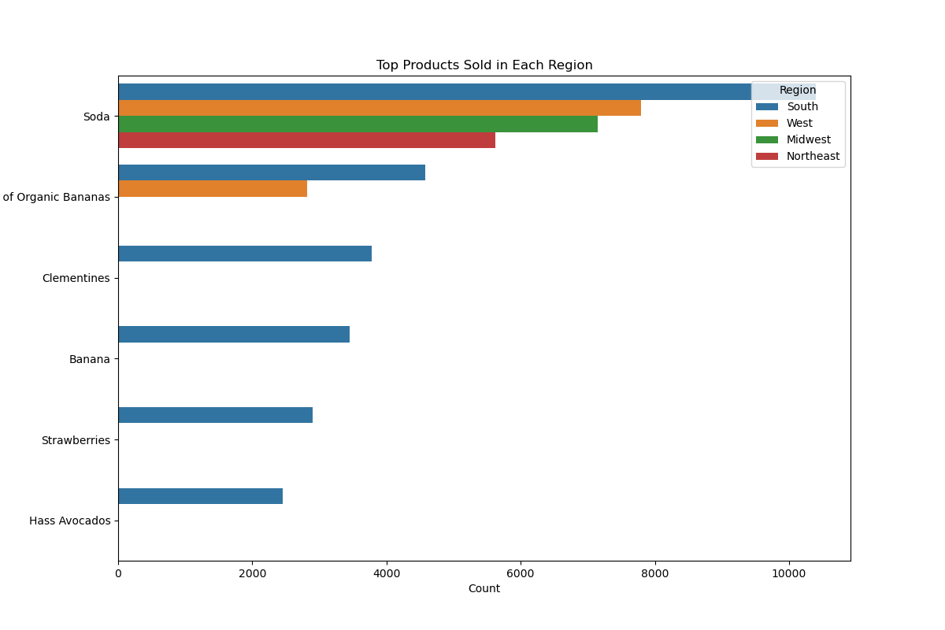
 | Title page

Visualisations

In this tab you should include all the visualtions from Exercises 4.9 and 4.10, alongside the questions from the project brief that they answer. Include any commentary on the relationship between different variables.

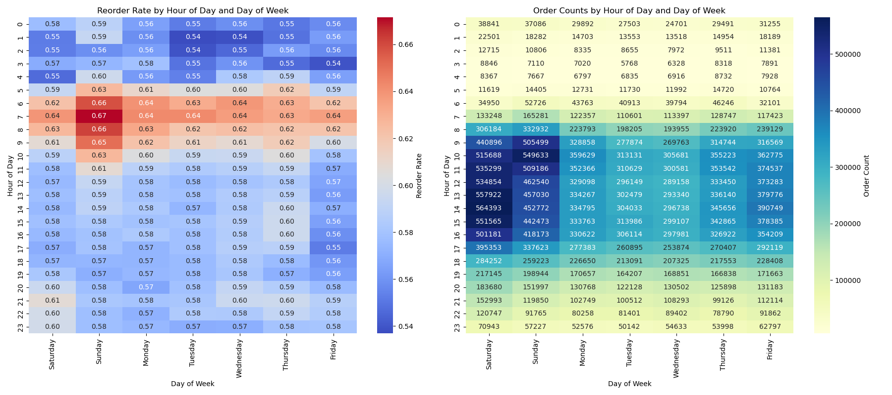
busieet day of the week and hour of the day

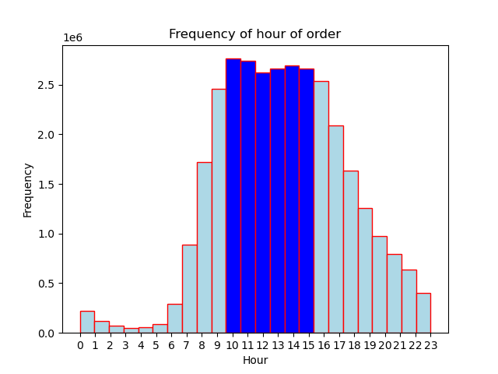

order price per hourof day and ay of week

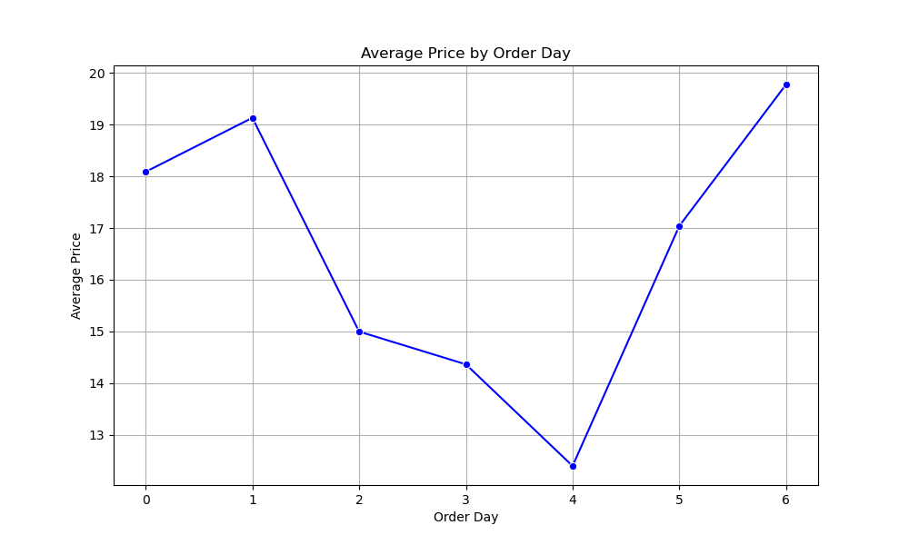

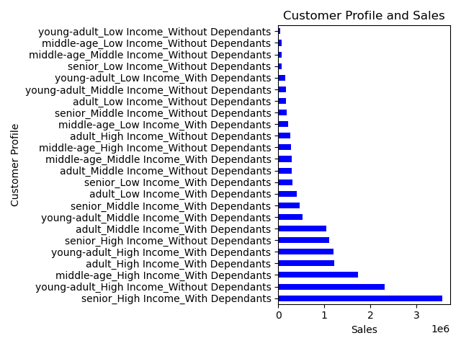

marketing age, income, goods

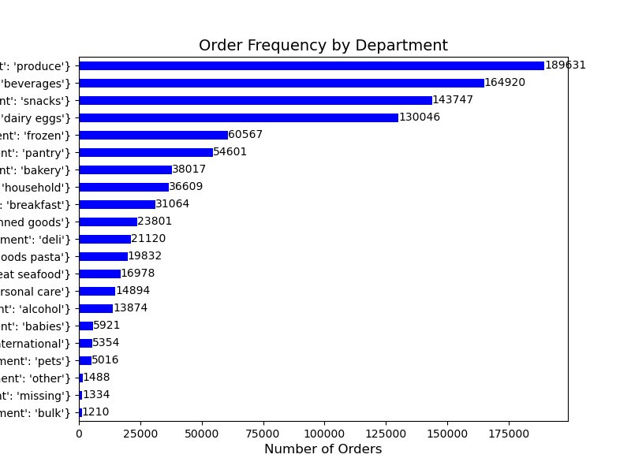
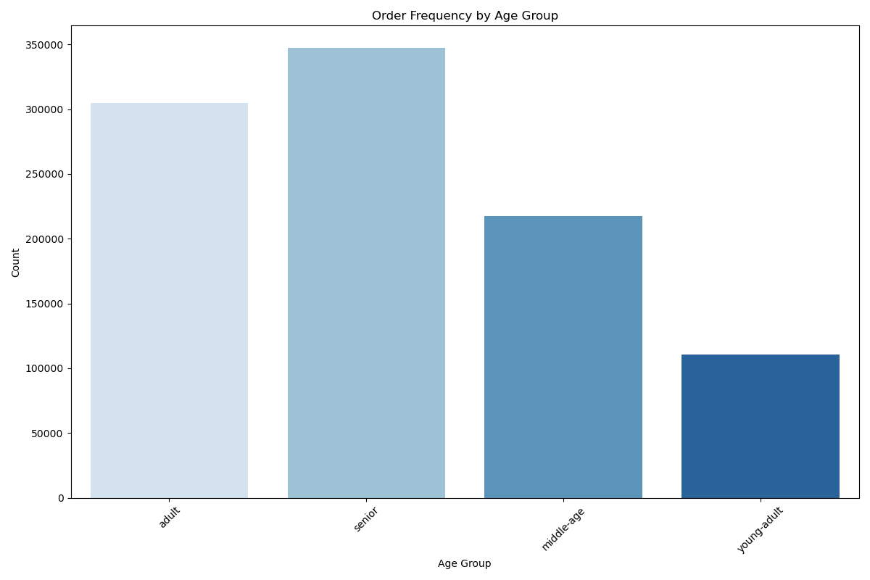

age, income and number of dependants

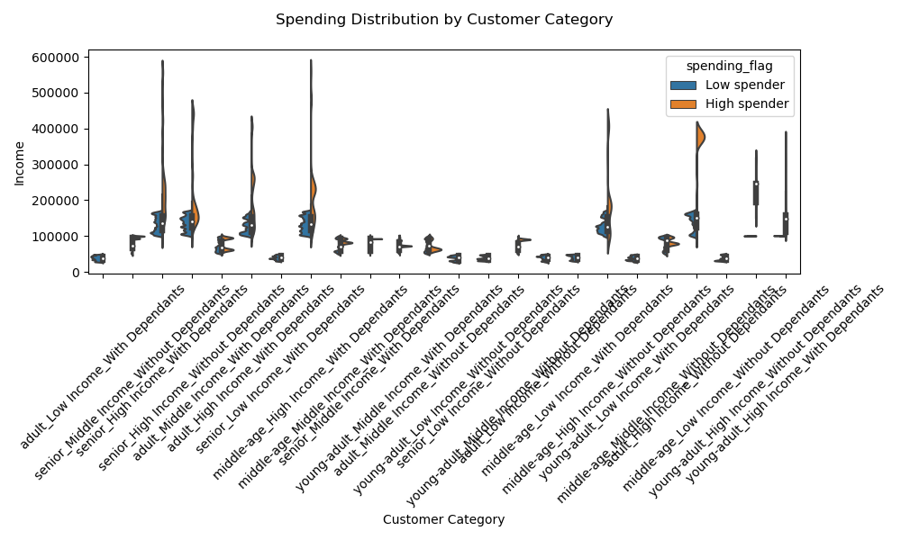
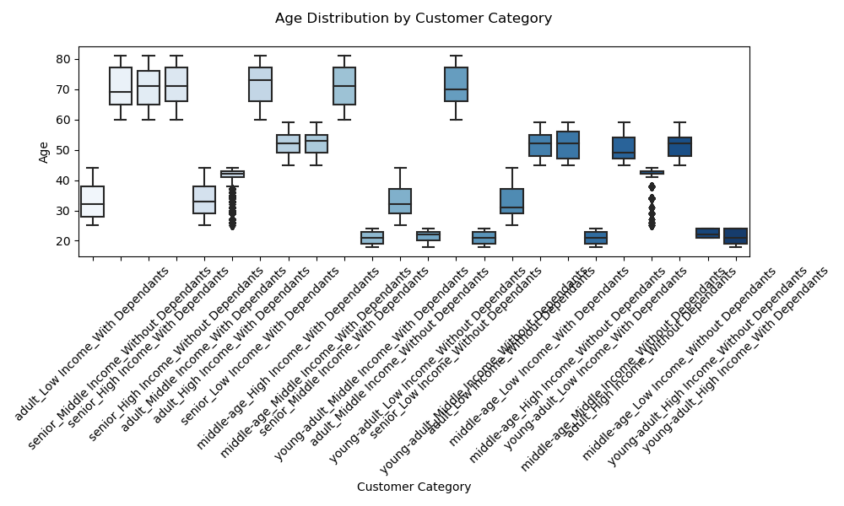

customer profiles by day and hour with age and income

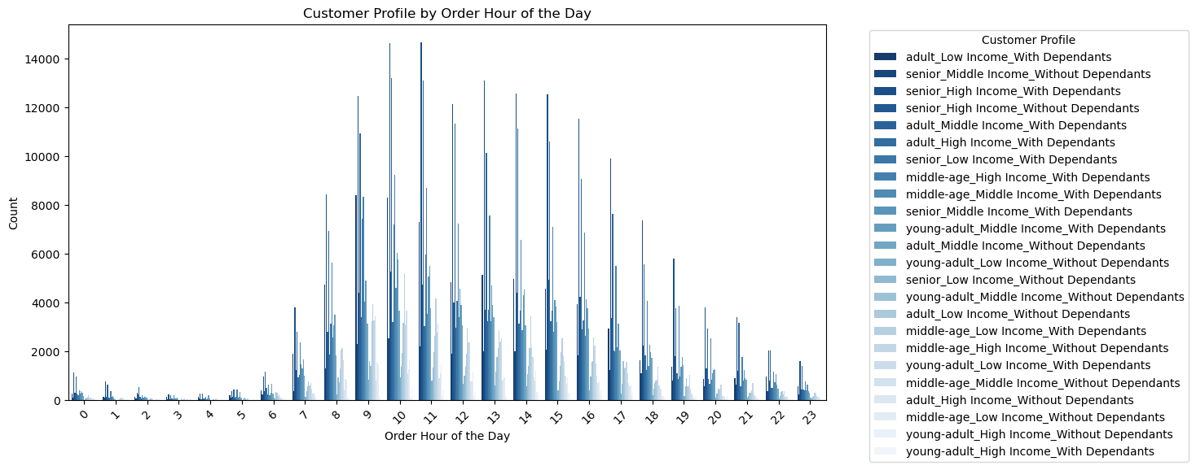
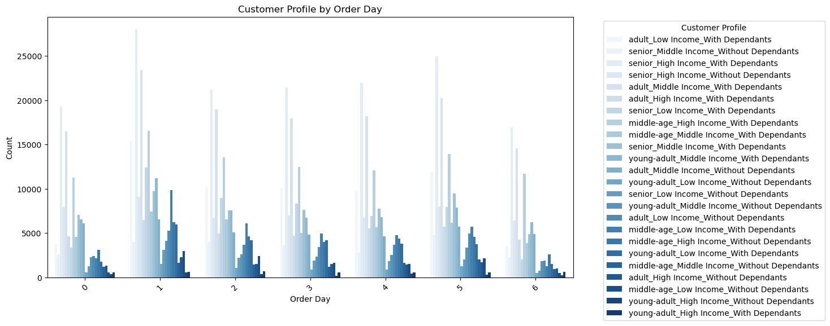

Distribution of customer profiles and differences between the regions

7. Recommendations
 |  | Title page

Recommendations

In this tab you should include any recommendations you would made to Instcart in terms of their marketing strategy based on the questions posed in the brief. Every key question has been covered in the Tasks of the Exercises - here you need to add an item - a visualisation or table/crosstable that is showing the answer in the data, acompanied by a comment from you. Please, list the questions below and add the answer underneath.

Question | Answer
Key Question 1: The slaes tema needs to know what the busiest days of the week and hours of the day are in order to schedule adds appropriatly | For reordersThe sales team need to focus their advertising on Monday,Tuesday and Wednesday, durng the hours of 12 and 17 these are semi busy days and times. The priority needs to be on Saturday and Friday as these are the least busy times. For orders the tema needs to focus on monday and tusday between 08:00 and 17:00. semi busy times are monday to friday 08:00 to 17:00
marketing during the day: For the best results with regrds to marketing during the day, marketing should focus on the hours leading up to and during the busiest periods namely 06:00 to 17:00
Marketing during the week: For the best results marketing should focus advertising upsells and cross sells during the busiest days namely Satuerday, Sunday and Friday. To encourage higher frequency of orders during the week staples such as produce and eggs should be advertised on Monday to Thursday. For reorders perhaps 2 days before the busiest period on sunday morning marketing should focus on upsells and cross sells for people to add to the reorder
Key Question 2: the team wants to know when the busiest times of the day are in ordr to schedule adds appropriatley | For reorders high value products and easy to sell products should be advertised on saturday and sunday between 08:00 and 16:00 and less busy but still relavent from Monday to friday, between 09:00 and 12:00
When we look at the and reorder frequency and compare it to expenditure we can see a correlation between amount of orders and amount of spend during those hours. Marketing should consider targeted marketing during 09:00 and 17:00. when we take average price per day we can see that friday and sunday are the clear winners. if this is whe customers are willing to spend more money then we shuld consider stronger advertising on those days aswel.

 | 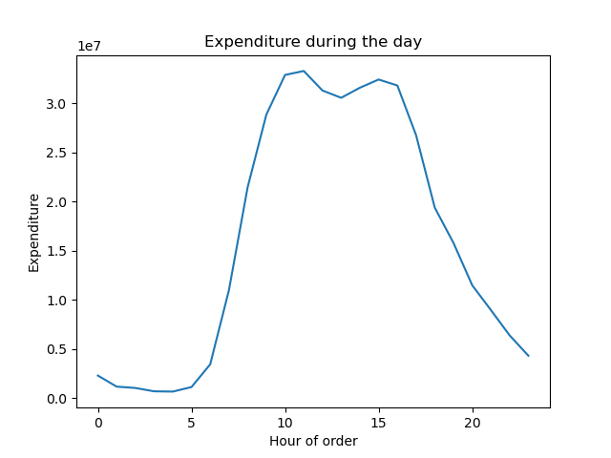
Key Question 3: marketing wants us to categorise age groups so they can more effectively be targetted | we should consider higher eraners with deppendants as they make up a significant portion of those who are ordering by contrast low income with no dependants represent a very small portion of orders
Marketing should focus on high earners as they mak up the majority of the orders, all age groups with dependants in the high income category seem to make up the bulk of sales so we should consider advertising aimed at these groups. We can also see that adults and seniors are the largest markets so catering to these will be a good idea.

Key Question 4: what kinds of products are more popular than others, marketing wants to know which kind of products are more popular than others | Produce is by far the best selling product followed by beverages, snacks and eggs
Given that Produce, Beverages, snacks and dairy/ eggs, make up the majority of the sales. Marketing should consider advertising these to retain and attract customers. Consider providing incentives to people for buying these products. Perhaps consider pairing specials with other lower selling products in order to boost thier sales. we can also see that soda is the best selling product in all regions so advertising this could attract new cusotmers. fruits generally speaking seem to make up the remainder of the top 5 sellling products.

Key Question 5: whats the distribution among users with regards to their brand loyalty and frequency of re order and expenditure using mean, max and min | we can see that re order rates aare highest early in the morning and particularly on Sunday which would make sense considering that the highest frequency of re order is every Sunday morning. We can see that older people with dependants in high income categories are the largest markets
when loooking at the distribution of spenders we can see that generally speaking people with higher income are also the highest spenders. Regardless of customer category. We can also see that high income with no dependants are the highest spenders .
with the breakdown of days and hours again we see that older high earners with dependants have the highest order count. This also confirmes our earleir assessment of hours of the day with most people placing their orders erly in the day on Saturday, Sunday and Friday
a vast majority of people ordering are married, this should be taken into consideration as that will mean that there are atleast two people being ordered for most of the time with 70% of customers. Again we see order peaks on Sunday and Friday.
Key Question 6: indetify a link between customer profiles with regions and departments | we can see that families that are older with dependants are the largest markets, the vast mojority of people ordering are married, the split between gender is almost 50/50. almost 50% of the orders are by regular customers.
When looking at regions we can see that Highest order count is in the south with high eraners. Middle earners are pretty consisteant across all regions. Interesting we can see that people with no dependants in the midwest order significantly higher price items than any other region and with any number of dependants.
When looking at erning we can see that adults with high income and no dependants earn the most. They do not order the most so targetting these people with more specific marketing could result in a nice riise in high end sales.

Key Question 7 : check for behaviors between different groups | most people seem to be ordering in the morning and through out the work day. Saterday, Sunday and Monday are particularly busy days.
when looking at order hour of the day and order count we can see that the 3 stand out groups are middle income adults, High income Senior, and High income Middle age.the middle income adults don’t place the highest value orders. Perhaps marketing could suggest higher value items or promote specials to get them to order higher volumes of items.
we can see that the largest spread of spenders is in the low income group in terms of age, the smallest sprea with high income earners is also the oldest. When we look at the scatterplot we can see that that people don’t really start erning a lot of money until they reach around 40 years of age. the average age of customers is 4.95 and the average incoome is around 95000.00
consistantly we can see that m,ost people order their on Saturday, Sunday and Friday, during the early part of the day but also throughout the work day of 09:00 to 17:00. most customer are from a high erner category with dependants and most customers are married. Produce, Snacks and Beverages are the customer favourites across the board. | 